1. Title Page
[Basket Analysis]

Project Name: Instacart Basket Analysis
Date: 14 Feb 2024
Analyst Name: Quinn Ha

Contents: | Data Source:
Population Flow | “The Instacart Online Grocery Shopping Dataset 2017”, Accessed from www.instacart.com/datasets/grocery-shopping-2017 via Kaggle on [6-2-2024].
Consistency checks | Note: the customer and prices column were fabricated for the purpose of the Data Analytics course
Wrangling steps
Column derivations
Visualizations
Recommendations

2. Population Flow
Title page

Population flow

Exclusion flag
Condition: max_order < 5
Obervations to be removed: 29635
Final total count of order_products_all: 32404854

Orders_products_combined
Orders_products_merged
Orders_products_all

Total: 32404854
Total: 32434489
Total: 32404854

1.) The grey boxes in the first row of the population flow represent the original data sets as they were when you downloaded them. In the Total fields you need to add the count of the rows when you imported the data set into Jupyter.
2.) The second row of boxes (coloured) represents the data sets after you manipulated them, e.g., removed missing values and duplicates. In the Total fields you need to add the count of the rows after conducting these operations. This offers a visual oveview of how the data flows throughout the data consistency checks.
3.) The third row, where also the arrows are coloured, represents the merges you performed between the datasets. In the Total fields you need to add the count of the rows in the merged datasets, so that you end up with the final dataset (in the red box). Keep in mind the final dataset should be without exclusions (based on the exclusion flag).

3. Consistency checks
 |  |  |  | Title page
Consistency checks

Dataset | Missing values | Missing values treatment | Duplicates
orders | 206209 | Create a flag variable | None
products | 16 | Dropping missing values | 5
orders_products_prior | None | None | None
customers | None | None | None

4. Wrangling steps
 |  |  |  | Title page
Wrangling steps

Columns dropped | Columns renamed | Columns' type changed | Comment/Reason
orders.eval_set |  |  | Dropped due to no relevance to the project
customer.firts name |  |  | Dropped due to PII issue
customer.surname |  |  | Dropped due to PII issue
 | order_dow' : 'orders_day_of_week' |  | Unclear original name
 | days_since_prior_order' : 'days_since_last_order' |  | Unclear original name
 | n_dependants' : 'dependants' |  | Unclear original name
 | fam_status' : ' family_status' |  | Unclear original name
 |  | orders.user_id | Changed to string, number has no math value
 |  | orders.order_id | Changed to string, number has no math value
 |  | orders.order_day_of_week | Changed to string, number has no math value
 |  | products.product_id | Changed to string, number has no math value
 |  | products.aisle_id | Changed to string, number has no math value
 |  | customer.user_id | Changed to string, number has no math value
 |  | customer.date_joined | Change to datetime

5. Column derivations
 |  |  |  | Title page

Column derivations and aggregations

In this tab you should add tables below that the frequences of flags/label variables that you produced after deriving them. NB: don't do this for continuous variables, only for flags.
Dataset | New column | Column/s it was derived from | Conditions
orders_products_merged | price_range_loc | prices | prices > 15: High range product
 |  |  | prices <15 & >=5 : Mid range product
 |  |  | prices < 5: Low range product

orders_products_merged | Busiest day | orders_day_of_week | orders_day_of_week = 0: Busiest day
 |  |  | orders_day_of_week = 4 Least busy
 |  |  | orders_day_of_week = else: Regularly busy

orders_products_merged | Busiest days | orders_day_of_week | orders_day_of_week = 0 or 1: Busiest days
 |  |  | orders_day_of_week = 4 or 5: Slowest days
 |  |  | orders_day_of_week = 2,3,6: Regularly busy

orders_products_merged | busiest_period_of_day | order_hour_of_day | order_hour_of_day = 10, 11, 14, 15, 13, 12, 16, 9: Most orders
 |  |  | order_hour_of_day = 17, 8, 18, 19, 20, 7, 21, 22: Average orders
 |  |  | order_hour_of_day = 1,2,3,4,5,6,23,24 : Fewest orders

orders_products_merged_deprived | loyalty_flag | max_order | max_order > 40: Loyal customer
 |  |  | max_order <=40 & > 10: Regular customer
 |  |  | max_order <= 10: New customer

orders_products_merged_deprived | spending_flag | user_id & prices transformed to mean_spend | mean_spend >= 10: High spender
 |  |  | mean_spend < 10: Low spender

orders_products_merged_deprived | frequency_flag | user_id & days_since_prior_order transformed to median_order | median_order > 20: Non-frequent customer
 |  |  | median_order > 10 & <= 20: Regular customer
 |  |  | median_order <= 10: Frequent customer

orders_products_all | region | STATE | STATE is in northeast: Northeast
 |  |  | STATE is in midwest: Midwest
 |  |  | STATE is in south: South
 |  |  | STATE is in west: West

orders_products_all | customer_activity | max_order | max_order < 5: low activity customer
 |  |  | max_order >= 5: high activity customer

orders_products_high_activity | age_group | Age | Age >=18 & Age <= 33: young adult
 |  |  | Age >= 34 & Age <=65: middle age
 |  |  | Age >= 66: senior

orders_products_high_activity | income_range | income | income >= 25093 & income <= 67292: low income
 |  |  | income > 67292 & income <= 128102: middle class
 |  |  | income > 128102: upper class

orders_products_high_activity | dependant_flag | dependants | dependants == 0: no dependant
 |  |  | dependants != 0: have dependant

6. Visualizations
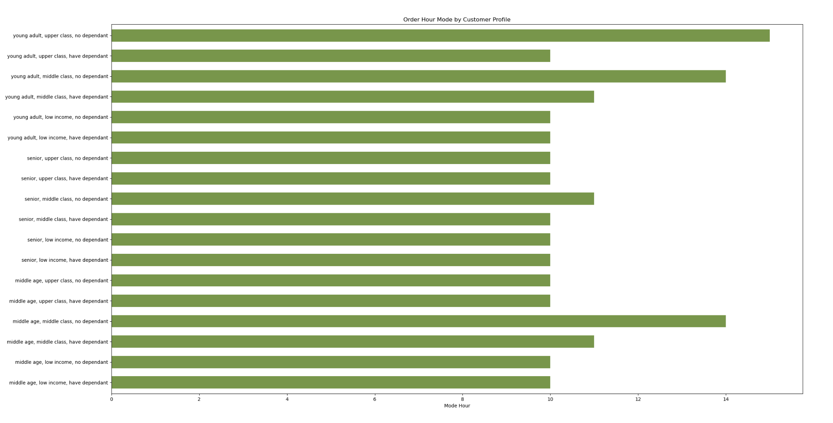
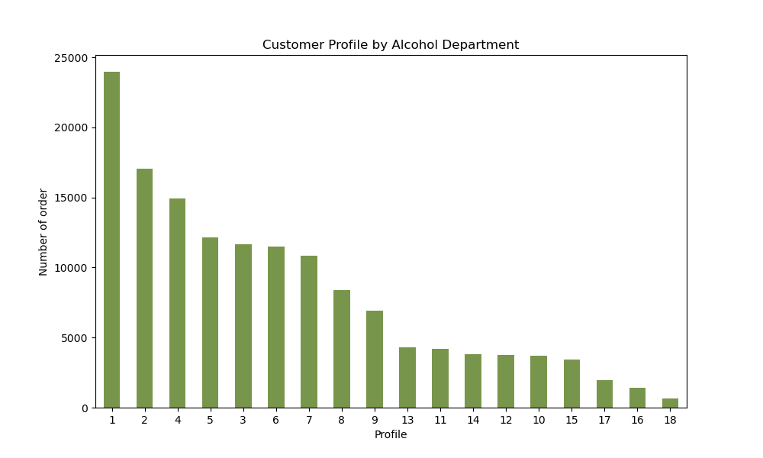
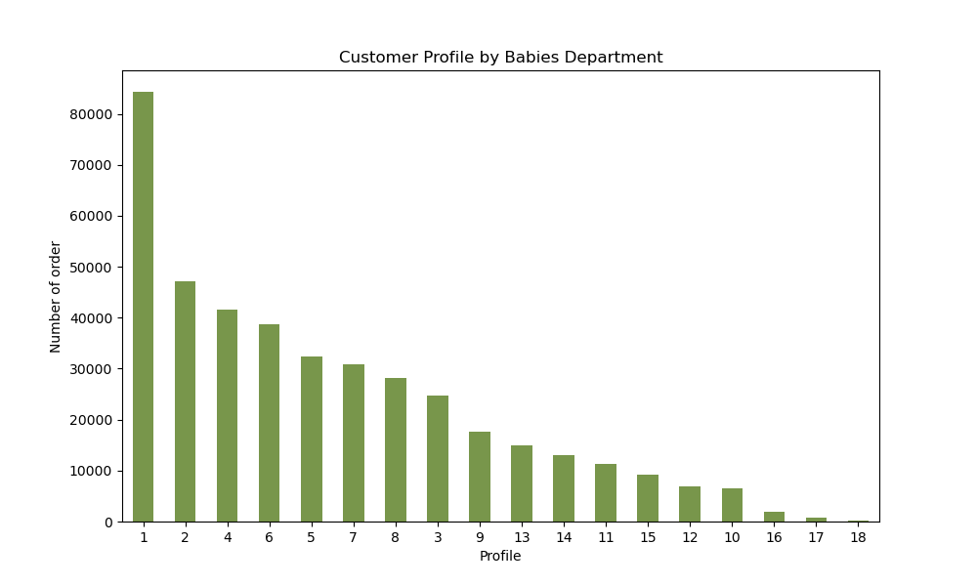
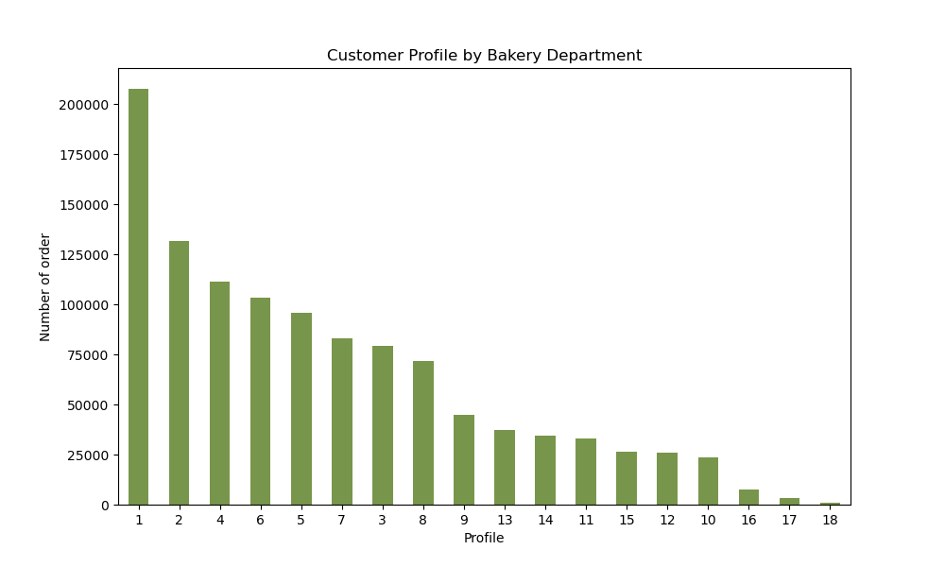
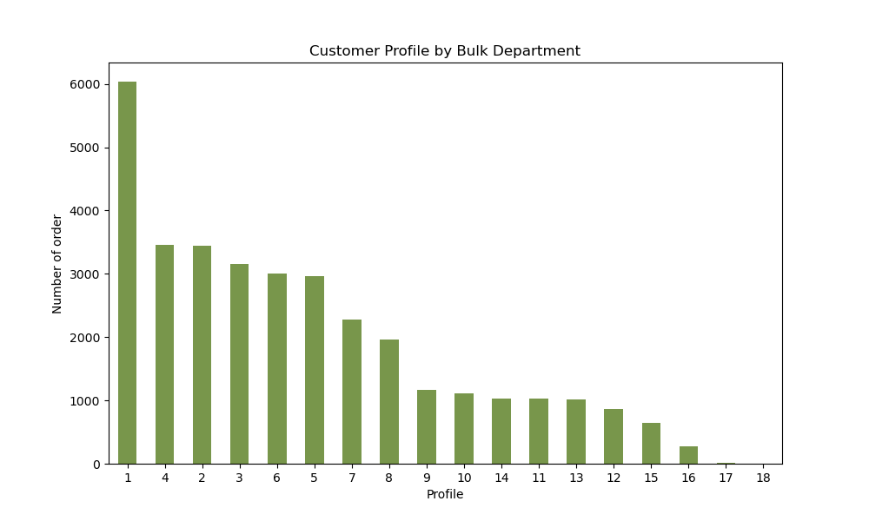
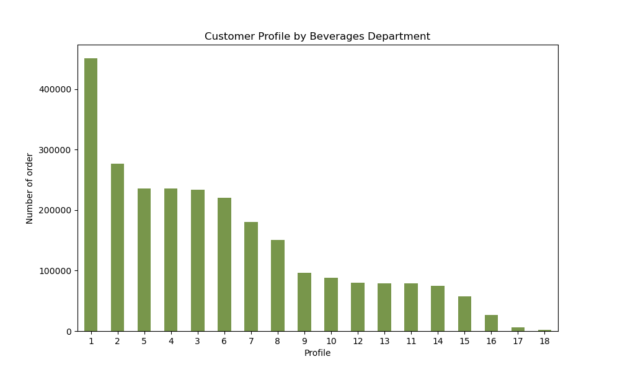
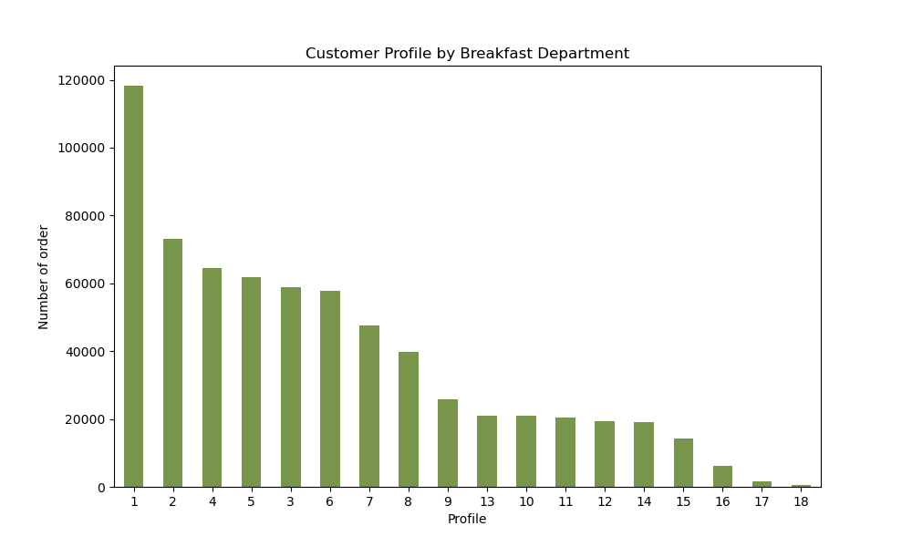
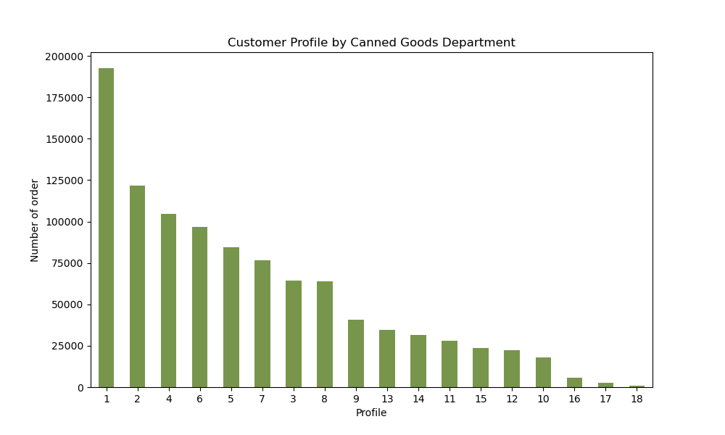
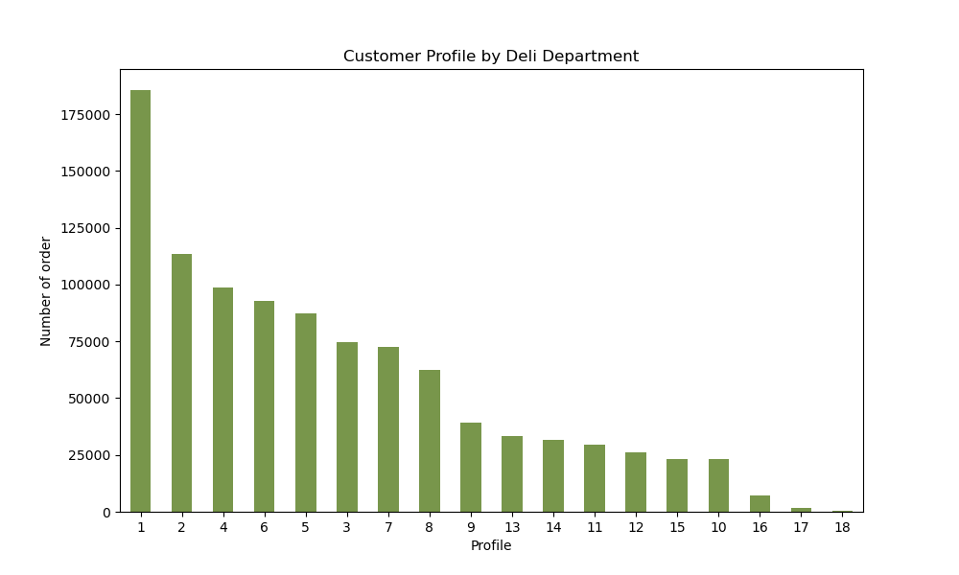
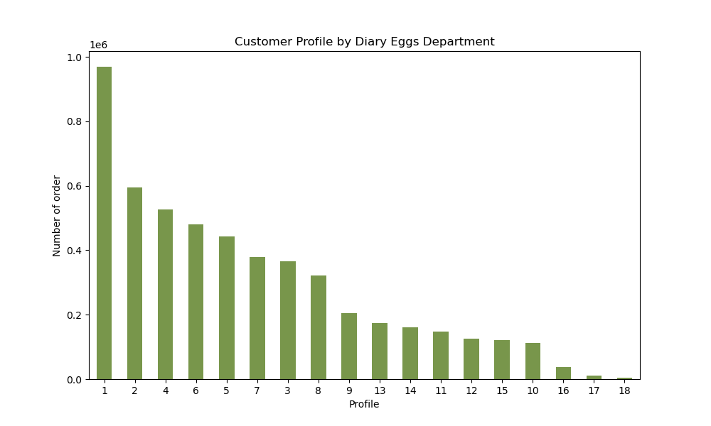
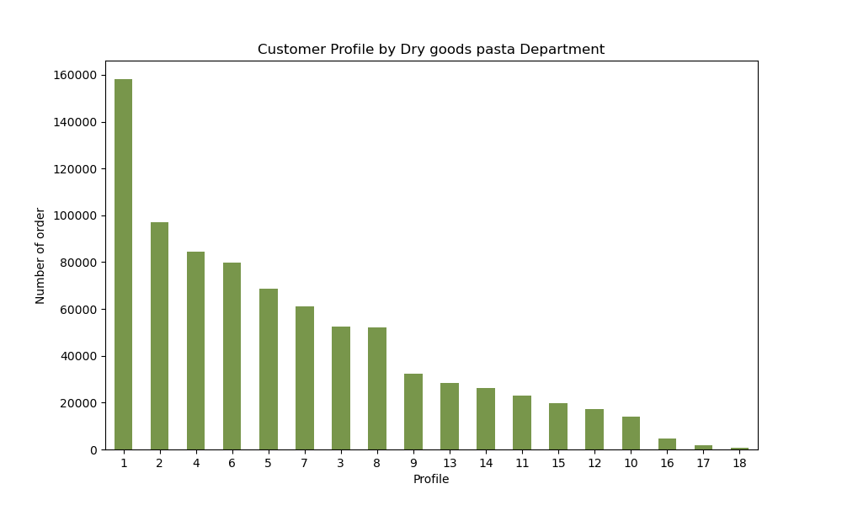

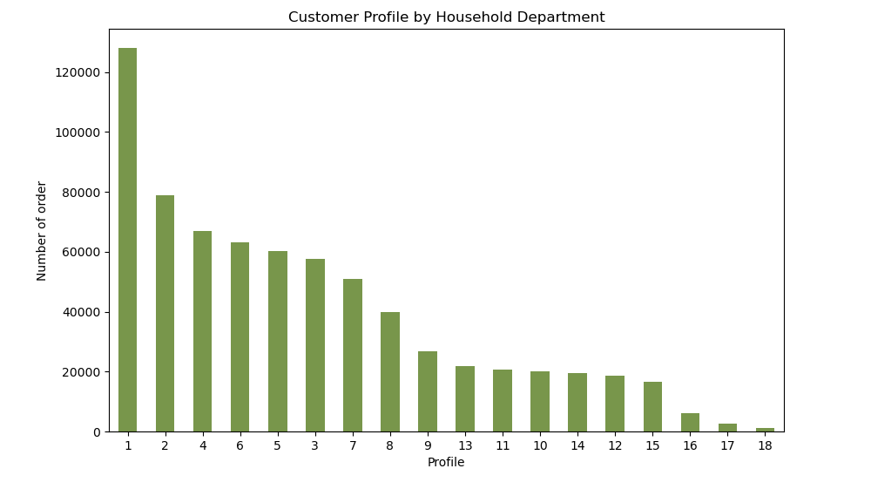

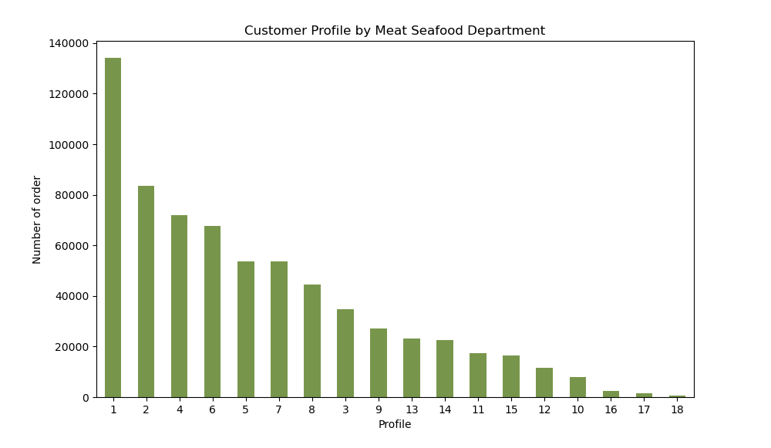

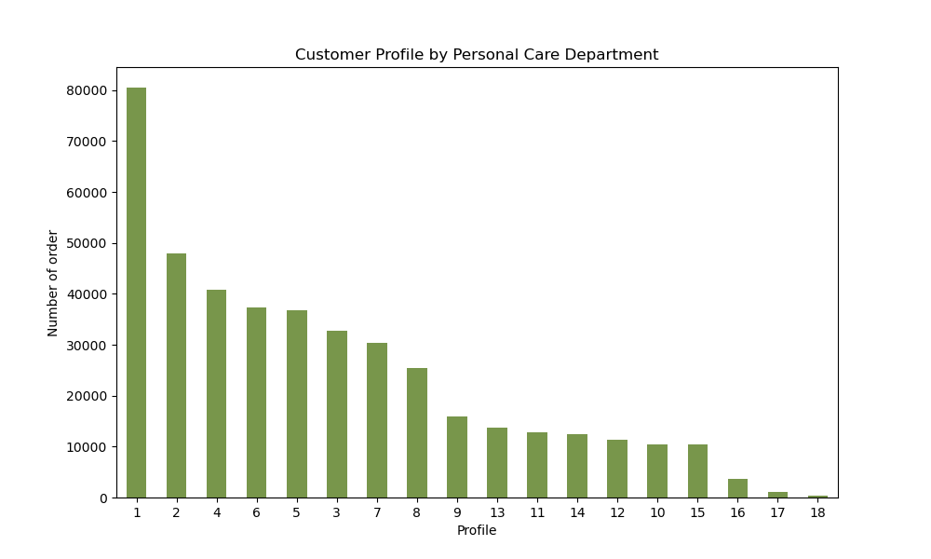


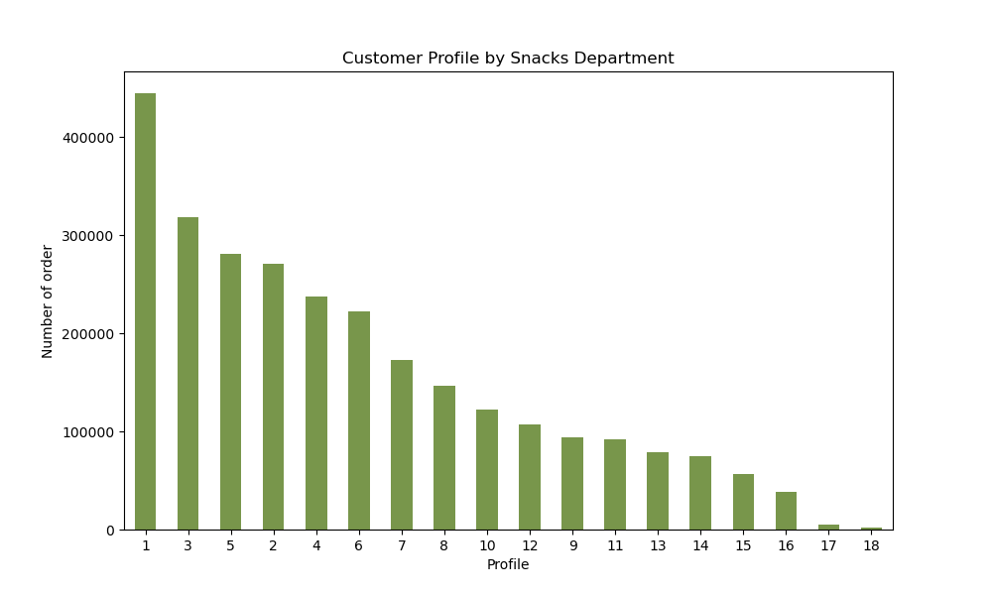
 |  |  | Title page

Visualisations

In this tab you should include all the visualtions from Exercises 4.9 and 4.10, alongside the questions from the project brief that they answer. Include any commentary on the relationship between different variables.

Key Question (KQ) 1 |  | When are the busiest days and hours customers order the most?
 |  | The busiest days are Saturday & Sunday. The least busy day is Wednesday
 |  | Peak hours are between 10 AM and 4 PM, with 10 AM as the busiest. The least busy hours are between 0 AM - 6 AM
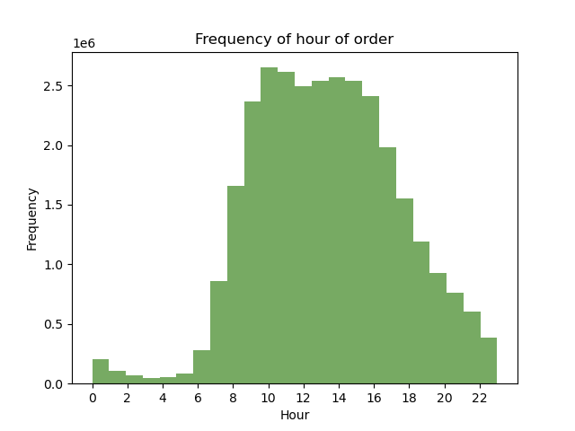
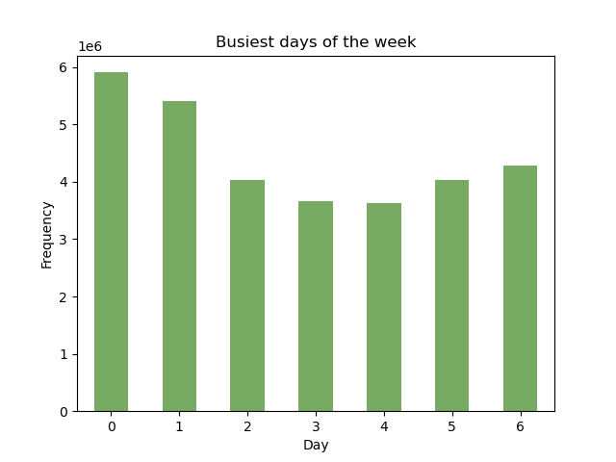

KQ-2 | When are the hours in which customers spend the most?
 | Expenditure is highest during 3 AM and 7 AM, which interestingly are the least busy hours. The difference between the highest and lowest expenditure is around 10 cent.

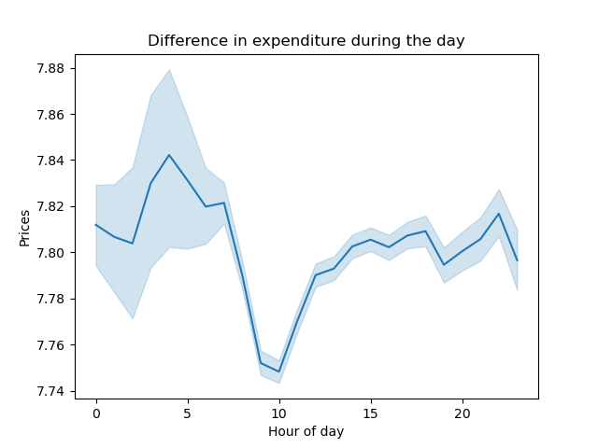

KQ-3 | What are the price range groupings of the products?
 | Most Instacart products have mid-range prices (67.5%), and the following are products with low-range prices (31.2%). And last is products with high-range prices.

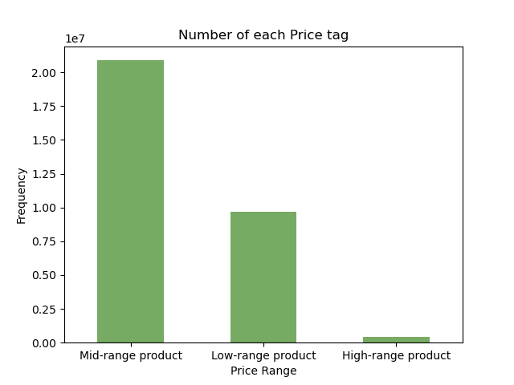
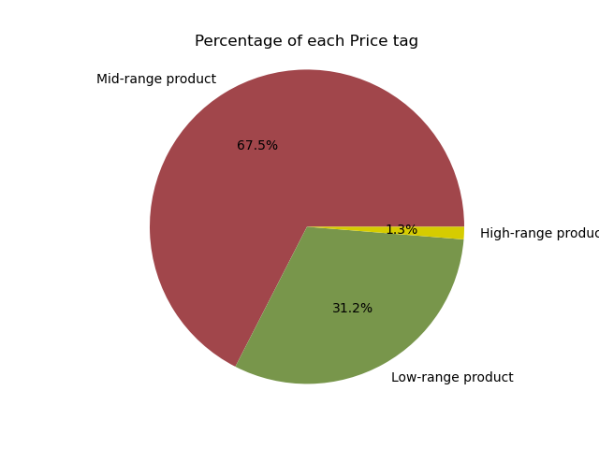

KQ-4 | Which products and departments are most popular based on the number of orders?
 | Produce, dairy eggs and snacks are the top 3 favourite departments. Meanwhile, Bananas, Bags of Organic Bananas and Organic Strawberries are the top 3 favourite products.
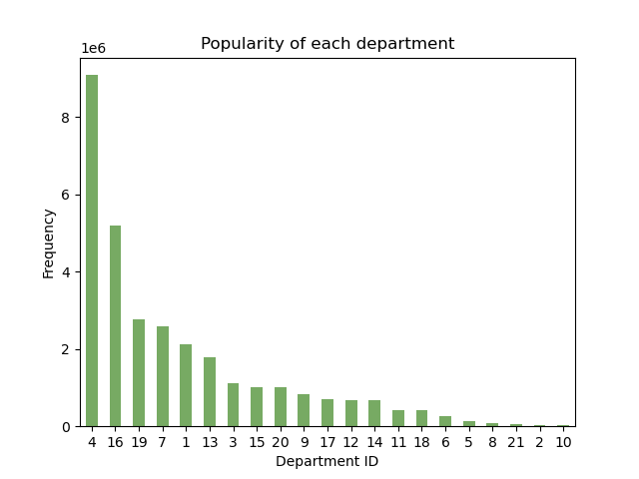
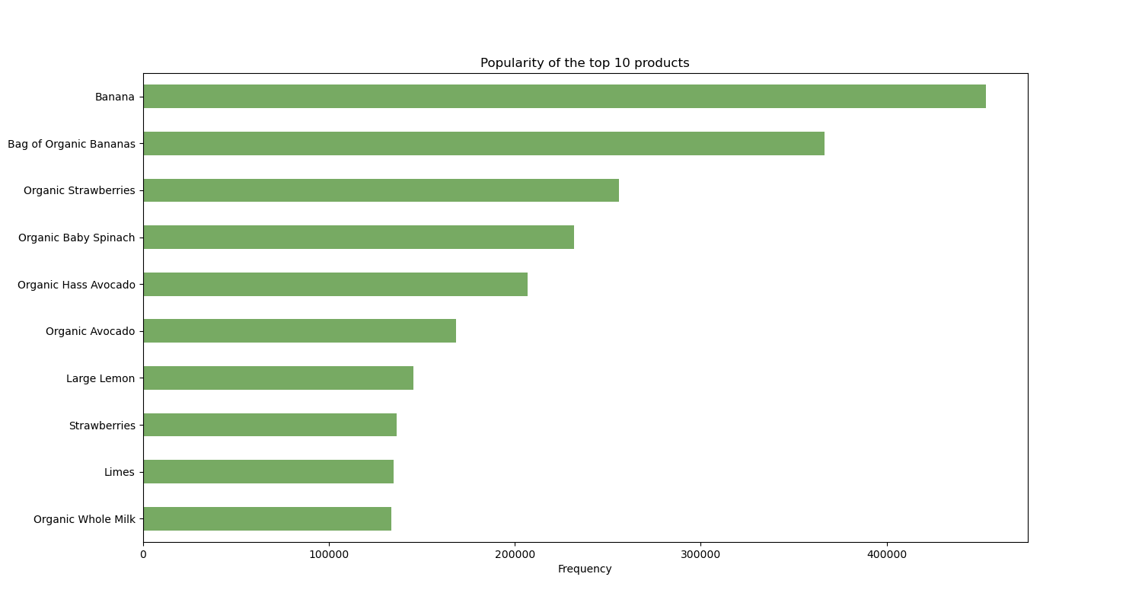

KQ-5 | What is the distribution of brand loyalty among customers?
 | The largest customers are regular customers; next are loyal customers, and the smallest are new customers.
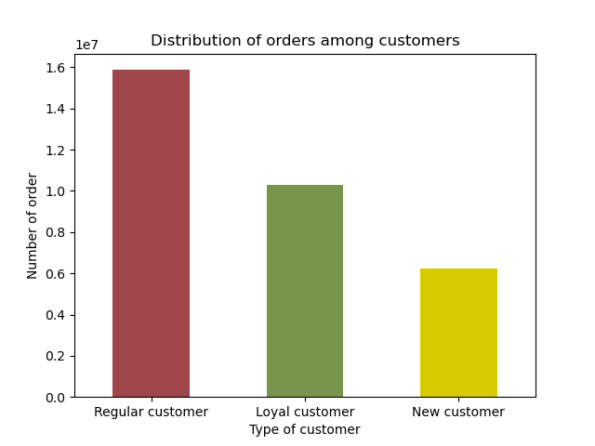

KQ-7 | Are there differences in ordering habits based on a customer's region?
 | The South region has the largest number of customers. However, the distribution of each type of customer in each region has no difference.
 | The regular, low-spender customers who frequently re-order mid & low-range price products dominate in all regions.
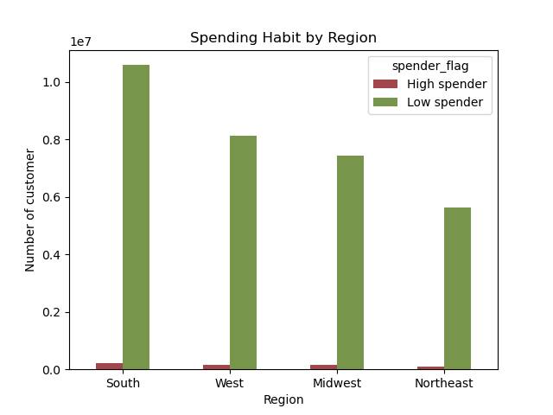
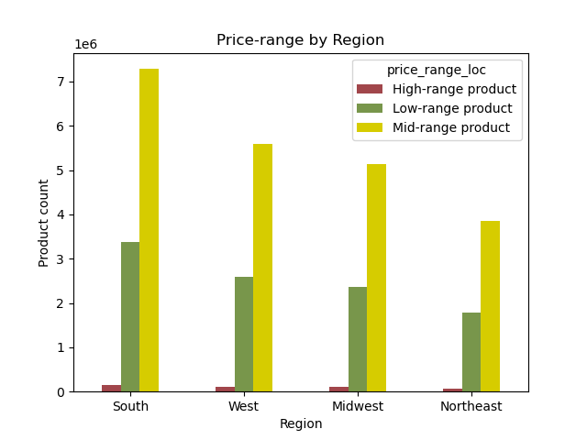

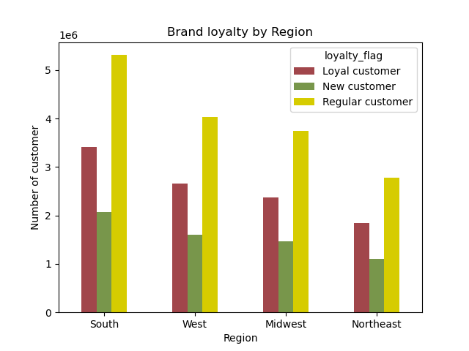
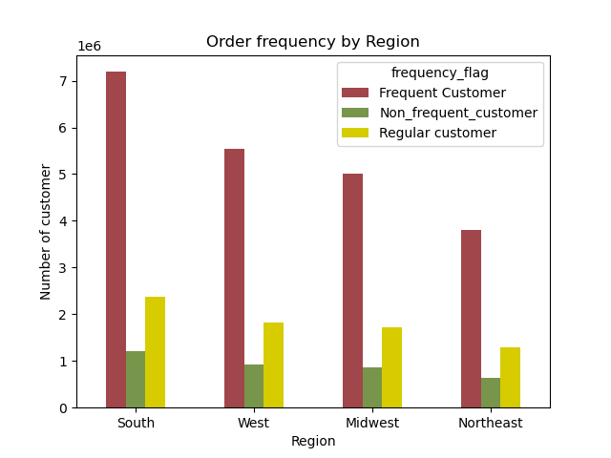

KQ-8 | Is there a connection between customer profile and family status in terms of ordering habits?
 | Even though profiles no.1 (middle age, middle class, have dependant), no.2 (middle age, upper class, have dependant), and no.4(young adult, middle class, have dependant) have the most significant number of customers but, there is no difference in spending habits among customer profiles.
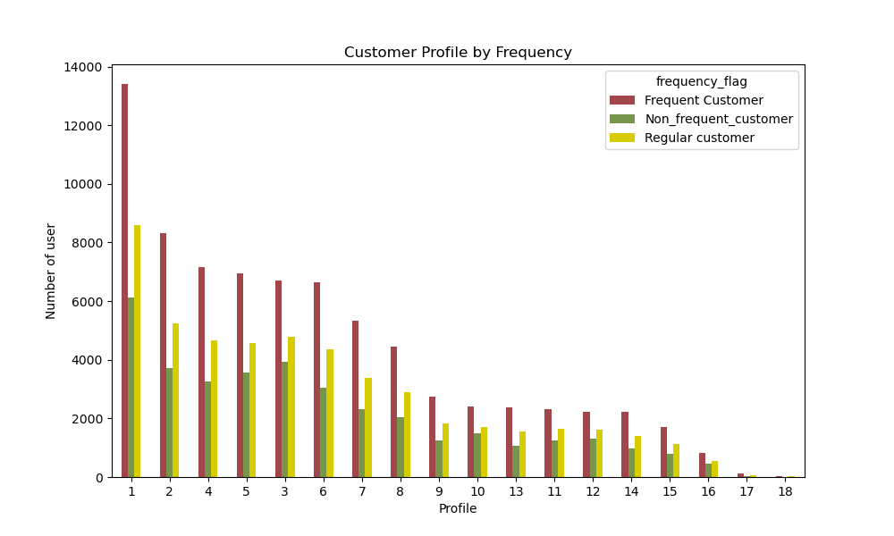
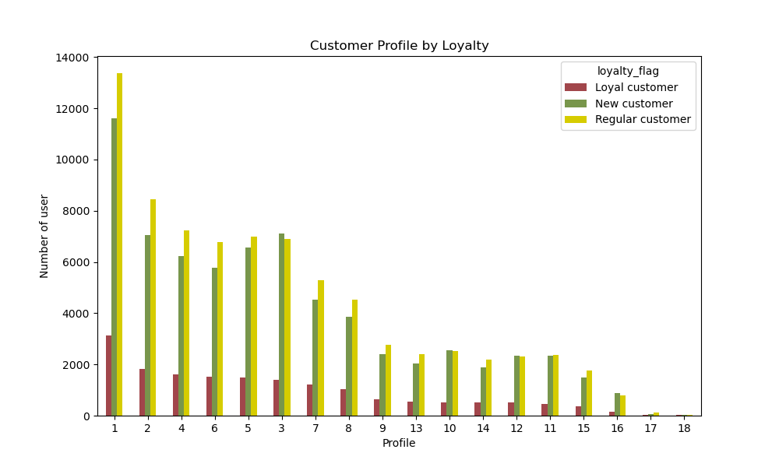

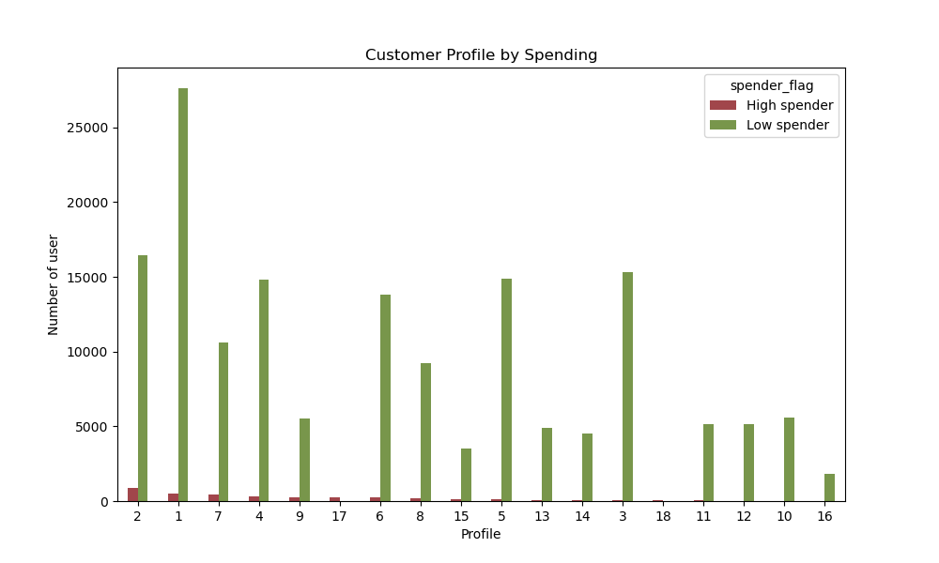

KQ-9 | What different classifications does the demographic information suggest?
 | The largest Instacart customers are middle-aged people with middle income and dependents. Instead, young adults with high incomes and no dependents have the smallest number of customers.
 | This most prominent group of customers also mainly stay in the South region.
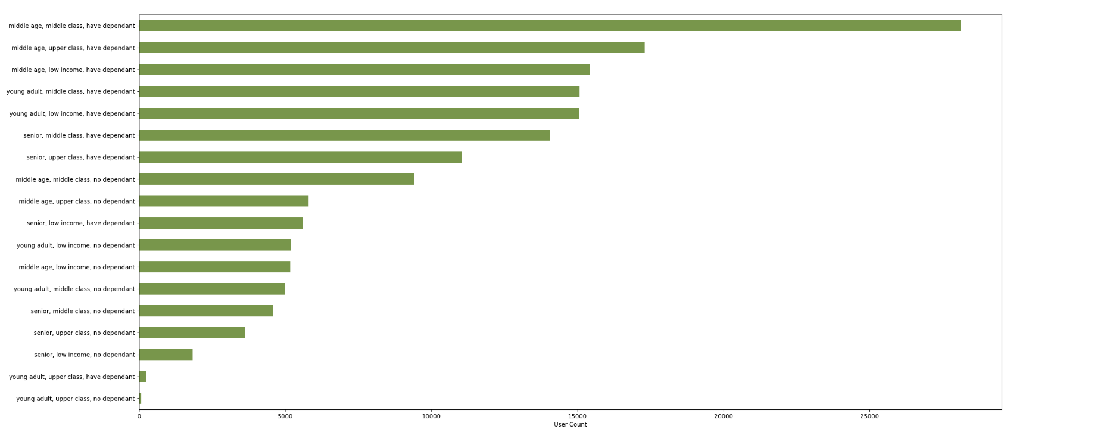

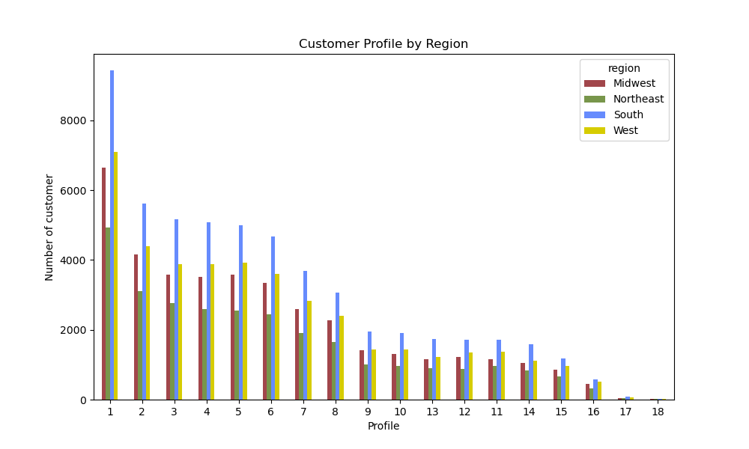

KQ 10 | What differences can you find in ordering habits of different customer profiles?
Middle and upper class with high income are likely to order later than the group of people with low income.
In most departments, profiles no.1 (middle age, middle class, have dependant), 2 (middle age, upper class, have dependant), and 4 (young adult, middle class, have dependant) are the primary sources of orders. However, in the beverage and snack departments, profiles no.3 (middle age, low income, have dependent) and 5 (young adult, low income, have dependent) surpass profiles 2 and 4 to become the second and third most spending profiles.

7. Recommendations
 |  |  | Title page

Recommendations

In this tab you should include any recommendations you would made to Instcart in terms of their marketing strategy based on the questions posed in the brief. Every key question has been covered in the Tasks of the Exercises - here you need to add an item - a visualisation or table/crosstable that is showing the answer in the data, acompanied by a comment from you. Please, list the questions below and add the answer underneath.

Question |  | Answer
Key Question 1 | When are the busiest days and hours customers order the most? | Instacart should prioritize adding more Ads on the busiest days (Saturday & Sunday) and peak hours (10 AM - 4 PM).
Key Question 2 | When are the hours in which customers spend the most? | Instacart can advertise more expensive products in the hour people are likely to spend the most money (3AM - 7 AM)
Key Question 3 | Simpler price range groupings | Price would be grouped into three groups: High, mid, and low range.
Key Question 4 | Which products and departments are most popular based on the number of orders? | Instacart can offer special promotions or prepare many stocks for these popular products (Produce, dairy eggs and snacks) and departments (Bananas, Bags of Organic Bananas and Organic Strawberries).
 |  | IC can also consider stocking and promoting its organic products because it contains 6/10 of the top 10 popular products.
Key Question 5 | What is the distribution of brand loyalty among customers? | Instacart's customers are majority regular and it should address its marketing ads towards this group of customers
Key Question 6 | Are there differences in ordering habits based on a customer's region? | IC can localized Ads for customers stay in the South region by doing deeper surveys to understand their favorite products/departments
 |  | They can also offer special promotions for customers located in this region.
Key Question 7,8,9,10 | Is there a connection between customer profile and family status in terms of ordering habits? | Middle-aged people from the middle class and above and younger adults from the middle class are the primary types of customers of IC.
 |  | Based on their spending habits, IC can offer various range of products and promotions among all the departments evenly.
 |  | Meanwhile, for the low-income with dependants, IC can offer them more promotions in the snack and beverage departments.

